GROUPS JUNIOR
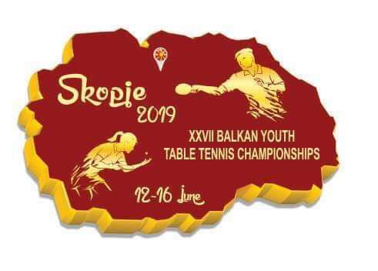


TABLE TENNIS TOURNAMENT junior teams

 | Junior boyS GROUP A |  | Junior boyS GROUP B |  | Junior boyS GROUP C
 | 1 | ROMANIA | 1 | TURKEY | 1 | BOSNIA AND HERZEGOVINA
 | 2 | SERBIA | 2 | BULGARIA | 2 | MONTENEGRO
 | 3 | ALBANIA | 3 | KOSOVO | 3 | NORTH MACEDONIA

 | Junior girlS GROUP A |  | Junior girlS GROUP B
 | 1 | TURKEY | 1 | BULGARIA
 | 2 | BOSNIA AND HERZEGOVINA | 2 | ROMANIA
 | 3 | KOSOVO | 3 | NORTH MACEDONIA
 | 4 | ALBANIA | 4 | SERBIA

 |  |  |  |  |  |  | ZOKI®

